ORIGINAL
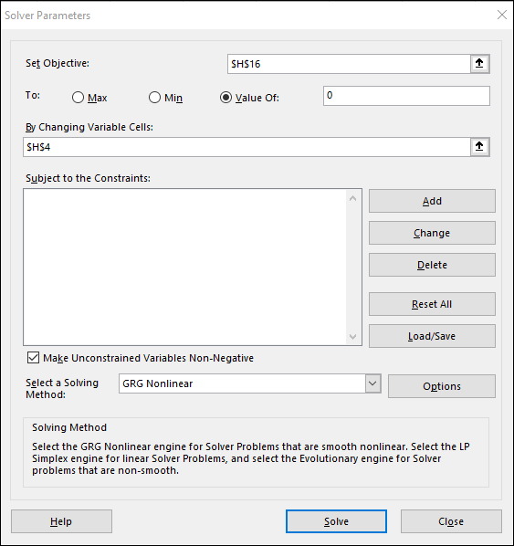
 |  |  |  |  |  | Changing Variable
 |  |  |  |  | Alpha | 0.83415313467
 | Input | Input
Rating Group | Number Counterparties | PD at t=0 | ln(PDt=0) | ln(PDt=1)=ln(PDt=0)*Alpha | PD at t=1
1 | 10 | 0.01% | -9.210340372 | -7.68283429263744 | 0.05%
2 | 14 | 0.05% | -7.6009024595 | -6.34031661292801 | 0.18%
3 | 18 | 1.00% | -4.605170186 | -3.84141714631872 | 2.15%
4 | 24 | 2.00% | -3.9120230054 | -3.26322625286879 | 3.83%
5 | 13 | 5.00% | -2.9957322736 | -2.49889946660929 | 8.22%
6 | 5 | 12.00% | -2.1202635362 | -1.76862447504225 | 17.06%
7 | 2 | 25.00% | -1.3862943611 | -1.15638178689987 | 31.46%
8 | 1 | 40.00% | -0.91629073187 | -0.76432678625949 | 46.56%
 |  | 1) Current PD |  | 2)Target PD |  | 3) Objective Function
 |  | 3.239% |  | 4.00% | 5.00% | -1.00%

 |  |  |  | 1) D16 is the calculated Current PD

 |  |  |  | 2) F16 is the Target TO 4% that I can change

 |  |  |  | 3) Objective Function

